one to __
 | Name
1
1 | one | 1 | GOOD | 1 | 11 | eleven
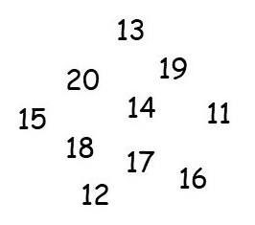
2 | two | 2 | GOOD | 1 | 12 | twelve
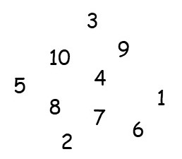
3 | three | 3 | GOOD | 1 | 13 | thirteen | 13 | GOOD
4 | four | 4 | GOOD | 1 | 14 | fourteen
5 | five | 5 | GOOD | 1 | 15 | fifteen
6 | six | 6 | GOOD | 1 | 16 | sixteen
7 | seven | 7 | GOOD | 1 | 17 | seventeen
8 | eight | 8 | GOOD | 1 | 18 | eighteen
9 | nine | 9 | GOOD |  | 19 | nineteen
10 | ten | 10 | GOOD |  | 20 | twenty

1 to __
 | Name

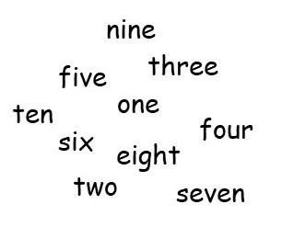
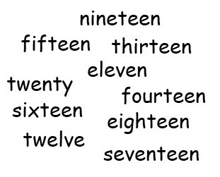
one | 1 | one | GOOD | 1 | eleven | 11 |  |  | eleven
two | 2 |  |  | 0 | twelve | 12 |  |  | twelve
three | 3 | three | GOOD | 1 | thirteen | 13 |  |  | thirteen
four | 4 |  |  | 0 | fourteen | 14 |  |  | fourteen
five | 5 |  |  | 0 | fifteen | 15 |  |  | fifteen
six | 6 |  |  | 0 | sixteen | 16 |  |  | sixteen
seven | 7 |  |  | 0 | seventeen | 17 |  |  | seventeen
eight | 8 |  |  | 0 | eighteen | 18 |  |  | eighteen
nine | 9 |  |  |  | nineteen | 19 | nineteen | GOOD | nineteen
ten | 10 |  |  |  | twenty | 20 |  |  | twenty

